
 |  |  |  | CODE: |  |  | pl1195WS aa SN from 98E905
DESCRIPTION: |  | TANK-HOOD |  | TANK-HAUBE | RESERVOIR-COFFRE | TANQUE-CAPÓ | SERBATOIO-COFANO
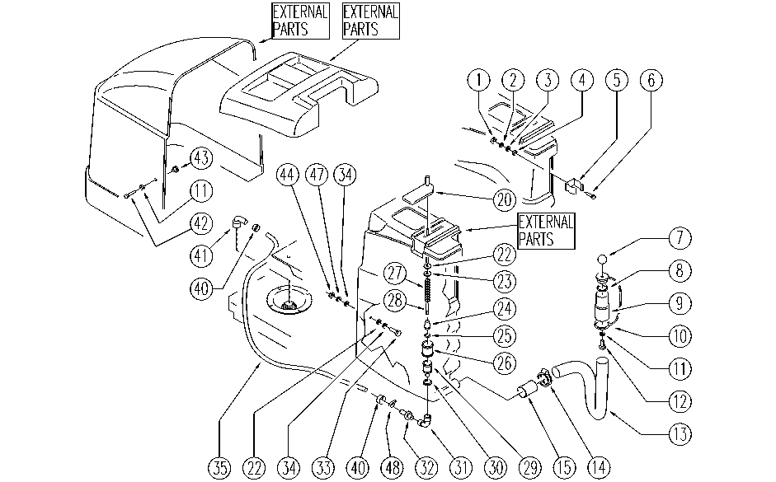

REF. | CODE | DESCRIPTION | QT
1 | E86749 | Nut M5 UNI 5588 | 2
2 | SL06037 | WASHER | 2
3 | E86750 | Washer D5 UNI 6591 NOXA2 Plane | 2
4 | E87876 | Gasket WS20/24 FS28/32 | 2
5 | SL13014 | DUCT LOCK | 1
6 | E86748 | Screw TE M5-16 UNI 5739 INOX A2 | 2
7 | E86459 | AS20 Knob | 1
8 | E86689 | AS28 Gasket | 1
9 | E86849 | Sleeve | 1
10 | SL14237 | CAP | 1
11 | E86427 | Washer for AS20 | 3
12 | E86475 | AS20 Screw TE M .6-20 | 1
13 | E86470 | 18" Hose | 1
14 | E86480 | Double Wire Clamp | 1
15 | E86476 | AS20 Membrane Valve - Polyur. | 1
20 | SL17140 | LEVER / CURSOR | 1
22 | E86718 | AS20 Washer | 2
23 | E86758 | Washer | 1
24 | E86722 | AS20 Shutter | 1
25 | E86484 | OR Valve Gasket | 1
26 | E86483 | Suction Filter D28 | 1
27 | E86721 | AS20 Spring | 1
28 | E86720 | AS20 Rod | 1
29 | E86482 | Faucet Assembly F450-530 | 1
30 | E86481 | Anti-Oil Gasket | 1
31 | E87806 | Elbow AS20 | 1
32 | E86752 | Coupling 10 x 3-8 M | 1
33 | SL04145 | SCREW | 1
34 | E86878 | Washer | 1
35 | SL19240 | HOSE | 1
40 | E86751 | Clamp 10-16 | 2
41 | E86638 | Union Elbow | 1
42 | E86426 | Screw for AS20 | 2
43 | E86428 | Bushing for AS20 | 2
44 | E86853 | Nyloc Hex Nut, M8 Zinc | 1
47 | E89183 | Washer | 1
48 | SL14150 | CLAMP | 1

